Guidance
Guidance for using the National Highways carbon tool
Introduction
Welcome to the National Highways carbon tool. National Highways is committed to net zero construction and maintenance carbon by 2040, as set out in our Net zero highways plan. This means we need to accurately monitor all of the greenhouse gases (measured as carbon equivalents (CO2e)) generated by building and maintaining the Strategic Road Network. As one of our supply chain members, you shall complete the tool as accurately as possible for the entirety of the contract or project for which you are contracted for. Our carbon tool has been developed based on supply chain user feedback to improve the carbon reporting process, ensuring ease of use and accurate data.
The data you input into this tool is known as your 'Carbon Return'. You must send your carbon returns to National Highways on a quarterly or monthly basis, depending on agreement with National Highways Project Managers. You shall read this guidance page (which should only take 10 minutes) to ensure you use the tool correctly. You shall also refer to the separate detailed guidance document as necessary when completing the tool. You shall use the same file for the entire length of your contract, so make sure you save it somewhere so that you can access it again for future returns.
Tool Layout
The tool is centred around the 'Home Page'; from there you can create your 'Carbon Returns' by inputting the relevant carbon data for the given period. This period can be one month or one financial quarter (three months), whichever is more convenient for you. The tool allows you to save and resume a carbon return to allow data to be added as and when it becomes available. Once you have started or resumed your carbon return you will see a number of buttons appear at the top of the page. These will take you to the 10 data category pages where you shall input your data. See below for the data requirements.
 | Cells in the tool that are formatted with this colour will require you to enter data.
 | Cells in the tool that are formatted with this colour should not be edited
Step by Step Guide

Step 1) Download the current version of the Carbon Tool from the National Highways website and save to local machine. Firstly, ensure the carbon tool is saved on your local computer drive. (Saving the tool on OneDrive can cause the tool to behave incorrectly or not work at all.) Please read the main Guidance Document before using the tool.

Step 2) Enable Macros. Next, you will need to enable macros/editing by pressing the 'Enable Content' or 'Enable Editing' button on the yellow banner at the top of this page. Once you have clicked this button, the banner should disappear and you can begin using the tool.

Step 3) Project Details. Now that you have enabled macros, the buttons at the top of the page will work. These buttons will allow you to move between pages in this tool. After reading this guidance, begin your carbon return at the 'Home Page'. You shall enter the Project Details in the purple formatted cells. These questions can only be filled in once per contract/project and cannot be edited once you click 'Fix Project Details', which is required before you can submit your data to National Highways. This includes your as agreed choice of carbon return frequency, either monthly or quarterly.

Step 4) Create a Carbon Return. From the 'Home Page' you will need to click 'Add new return'. This will bring up a box where you will need to input the relevant year and month for the period you are reporting (this box may appear on another screen if using multiple monitors). This will then appear as a line in the table on the Home Page. The blue line around a carbon return shows which return you currently have loaded and active. Once you have created a carbon return, you can save and close the tool down, re-open it and continue to enter your data into the return at any time by clicking 'Resume'.

Switching categories off. If you know that your project or contract does not involve one of the 10 categories then you can ‘switch it off’ by clicking the category title in the table on the home page. Once you click the category it will turn the cells below that category grey, indicating that data is not required for this category in carbon returns you submit.

Step 5) Inputting data - Bulk Materials. Now that you have created a carbon return, you shall enter the data into each of the pages which are accessible from the second row of buttons at the top of the page. You shall start with the bulk materials page. For each material you need to add, click ‘standard carbon factor’ under the ‘add new row’ heading and enter the information required in the purple cells. If you believe you have a more accurate or representative carbon factor than the one shown in the tool, you can click the ‘custom carbon factor’ button which will allow you to input your own carbon factor. More of the cells in the row turn purple, and you should enter information in to each of these, including the methodology as to where the factor came from and why it has been used.

Step 6) Bulk Materials - Forecasting and Assigning to Other Categories. The Bulk Materials category works slightly differently to the other nine categories in the tool. It requires two extra steps as shown below.

Assigning materials to the other categories You will need to assign the percentage of materials you have entered in the bulk materials category to the other categories in the tool, using the best available information or estimation. You do not need to input these into each category separately. For example out of 100 tonnes of concrete delivered during a given period, 20% might have been for drainage, 30% for road pavements and 50% for structures. This data will then be carried over to the appropriate categories, so that you are reminded of the materials which you have already entered. Some items constructed on site do not appear as separate options in the tool. These are captured by assigning the bulk materials to the relevant category, for example, concrete elements made on site such as a slip formed concrete step barriers or in-situ concrete piles.

Forecasting You will need to forecast how much of the bulk materials you are likely to have delivered in the next reporting period. For example you may have had 137 tonnes of asphalt delivered during the current quarter/month and be expecting approximately 200 tonnes for the next month/quarter.

Step 7) Complete the Carbon Return. When you have completed the Bulk Materials, repeat this process for Step 5 for each of the nine categories which are relevant to your project or contract. If the exact item you have is not available in the drop down list, choose the closest option available. For example if you a have a 475mm pipe and the tool only has 450mm pipe then choose this. Don't forget to record the mode of transport and the distance from your supplier to your site for each item. The transport distance is measured in km and is the single one-way distance between the location of the supplier to the site location/point of deposition. Where you are unable to estimate the transport distance of a material, assumptions based of the Royal Institute of Chartered Surveyors should be used instead, these are as follows: - Locally manufactured (e.g. ready mix concrete) should be assumed as 20km by road. - Locally manufactured (e.g. aggregate, earth or asphalt) should be assumed as 50km by road. - Regionally manufactured (e.g. blockwork, glass or plasterboard) should be assumed as 80km by road. - Nationally manufactured (e.g. structural timber, steelwork or precast concrete) should be assumed at 120km by road. As you complete each category, you should click the 'Mark page as complete' box at the top of the page and move onto the next category. When you have finished inputting your data, click the 'Home Page' button to return to the front screen. The carbon return you have just entered will now be marked as 'Complete' and highlighted as green. If it is not, check each of the categories again, making sure you have entered the necessary data and ticked each category as complete.

Step 8) Save the Tool. Save the completed tool on your own computer and close the tool. A reminder that saving the tool on OneDrive can cause the tool to behave incorrectly or not work at all. The tool autosaves when it is closed but please re-open the tool and check each tab to ensure that the data has not gone missing.
Step 9) Add your commentary. Please populate the commentary tab, selecting the correct return period and provide a narrative summary to justify your carbon emission totals. Electronic declaration signature is required to ensure assurance checks have been completed prior to submission to National Highways. Notes The ‘commentary’ button can be found on the top right of the tool. You will need to select which carbon return you wish to add commentary about from the drop-down list, then enter text in the large grey cell. Once you have finished your commentary click ‘save’. This is your opportunity to tell us about any innovation or good practice you have employed to reduce carbon. For example, if you have reduced steel by leaving some in situ, or reduced employee travel by introducing a car share scheme. This commentary tab should also be used to provide narrative around why emissions are high or low.

Step 10) Create Export file and Email to National Highways. Once you have finished inputting your data and returned to the Home Page, you should click the ‘Create export file’ button. This will generate an export file (which has a ‘.rct’ file extension) which you will automatically be saved into the same folder that the carbon tool is saved in. You need to email the export file and a copy of the carbon tool to us at the following address: carbon.reporting@nationalhighways.co.uk Notes The export file will not open directly, National Highways will open the .rct file upon receipt.

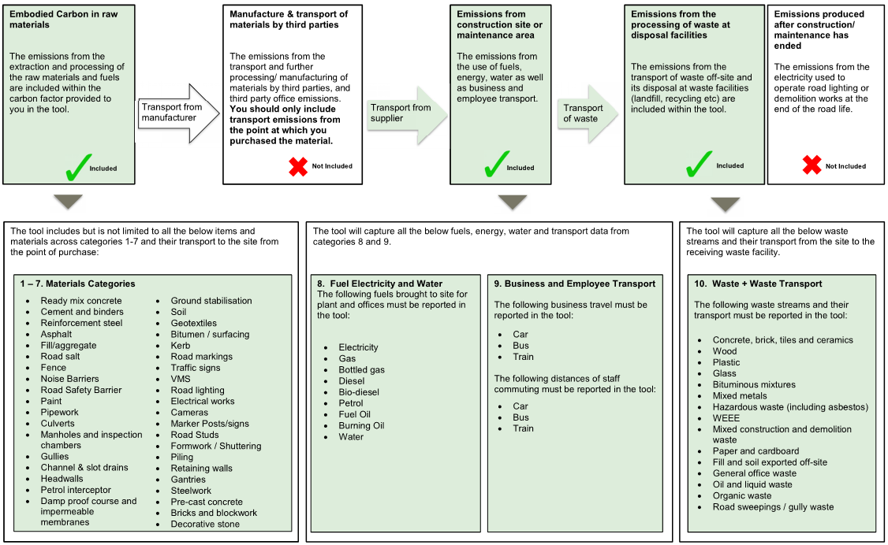
Step 11) Next Carbon Return. The next time you come to enter a new carbon return, please download a new version of the Carbon Tool from the National Highways website and repeat steps 3 to 10 for each month/quarter.
Data Requirements
The tool requires data for energy, materials, transport and waste. These have been split into 10 categories. The diagram below summarises the data requirements of the tool and the carbon emission boundaries this captures. For more in depth explanation of the boundaries for data, please refer to the separate guidance document and E-learning training programme.

Data Sources and Record Keeping
Where possible, you should enter actual data values into this tool using delivery notes, invoices, receipts, bills and waste transfer notes. You may be asked to take part in our verification process which will require you to keep hold of these data sources for the duration of the contract or project you are reporting for. This verification will be carried out periodically to check the accuracy and validity of the data National Highways collects. This will involve checking the data you are inputting into the tool and assisting you to improve the accuracy of your carbon returns where possible.

Summary Report
Carbon Summary Report for - |  |  |  | Holcim - 613703. A1M Wentbridge

select: |  |  | Carbon dioxide equivalent emissions CO2e produced during the period: |  |  |  |  |  | tonnes
 |  |  | Carbon dioxide equivalent emissions CO2e produced per £ spent this period: |  |  |  |  |  | tonnes

 | Total |  | Total carbon dioxide equivalent emissions CO2e produced for this contract: |  |  |  |  | 78.086 | tonnes
 |  |  | Total carbon dioxide equivalent emissions CO2e produced per £ spent: |  |  |  |  | 0.00043522 | tonnes

 | The overall cumulative total emissions for this project are displayed below against a baseline value.

 | 78.08615053 | 78.08615053 | 43.337784 | 99.79095

 | Individual Return | Lower Benchmark | Upper Benchmark | Project to date
2025 Oct - Dec | 435.22 | 152 | 350 | 435.21915599

 | Materials |  |  |  | Materials, Transport, Energy and Waste Emissions
 | For this return, the table and pie chart displayed below show the CO2e emissions associated with materials purchased for the contract. |  |  |  | For this return, this table and pie chart show the CO2e emissions associated with materials compared to materials transport, energy use, business and employee transport and waste

 | 0.000
 | 0.000
 | 0.000
 | 0.000
 | 0.000
 | 0.000
 | 0.000
 | 0.000
 | 0.000
 | 0.000
 | 0.000
 | 0.000

 | Category | CO2e Emissions |  |  |  | Category | CO2e Emissions
 | Fencing / RRS / barriers |  |  |  |  | Materials Total
 | Drainage |  |  |  |  | Materials Transport
 | Earthworks |  |  |  |  | Energy Use
 | Pavements |  |  |  |  | Business and Employee transport
 | Street furniture
 | Civil Structures |  |  |  |  | Waste
 | Bulk Materials |  |  |  |  | Total | 0.000
 | Total | 0.000

